Sheet1
DATASET 1

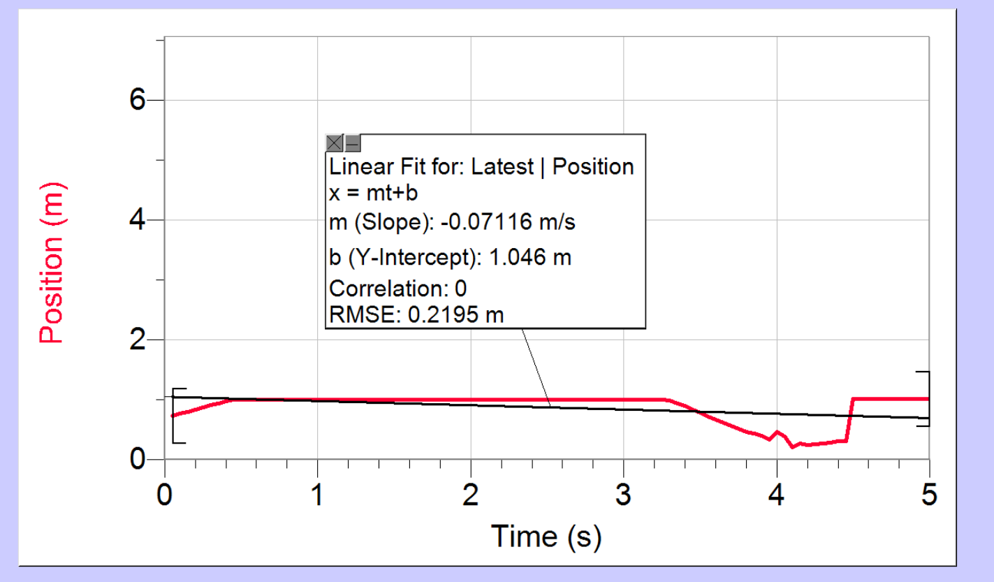
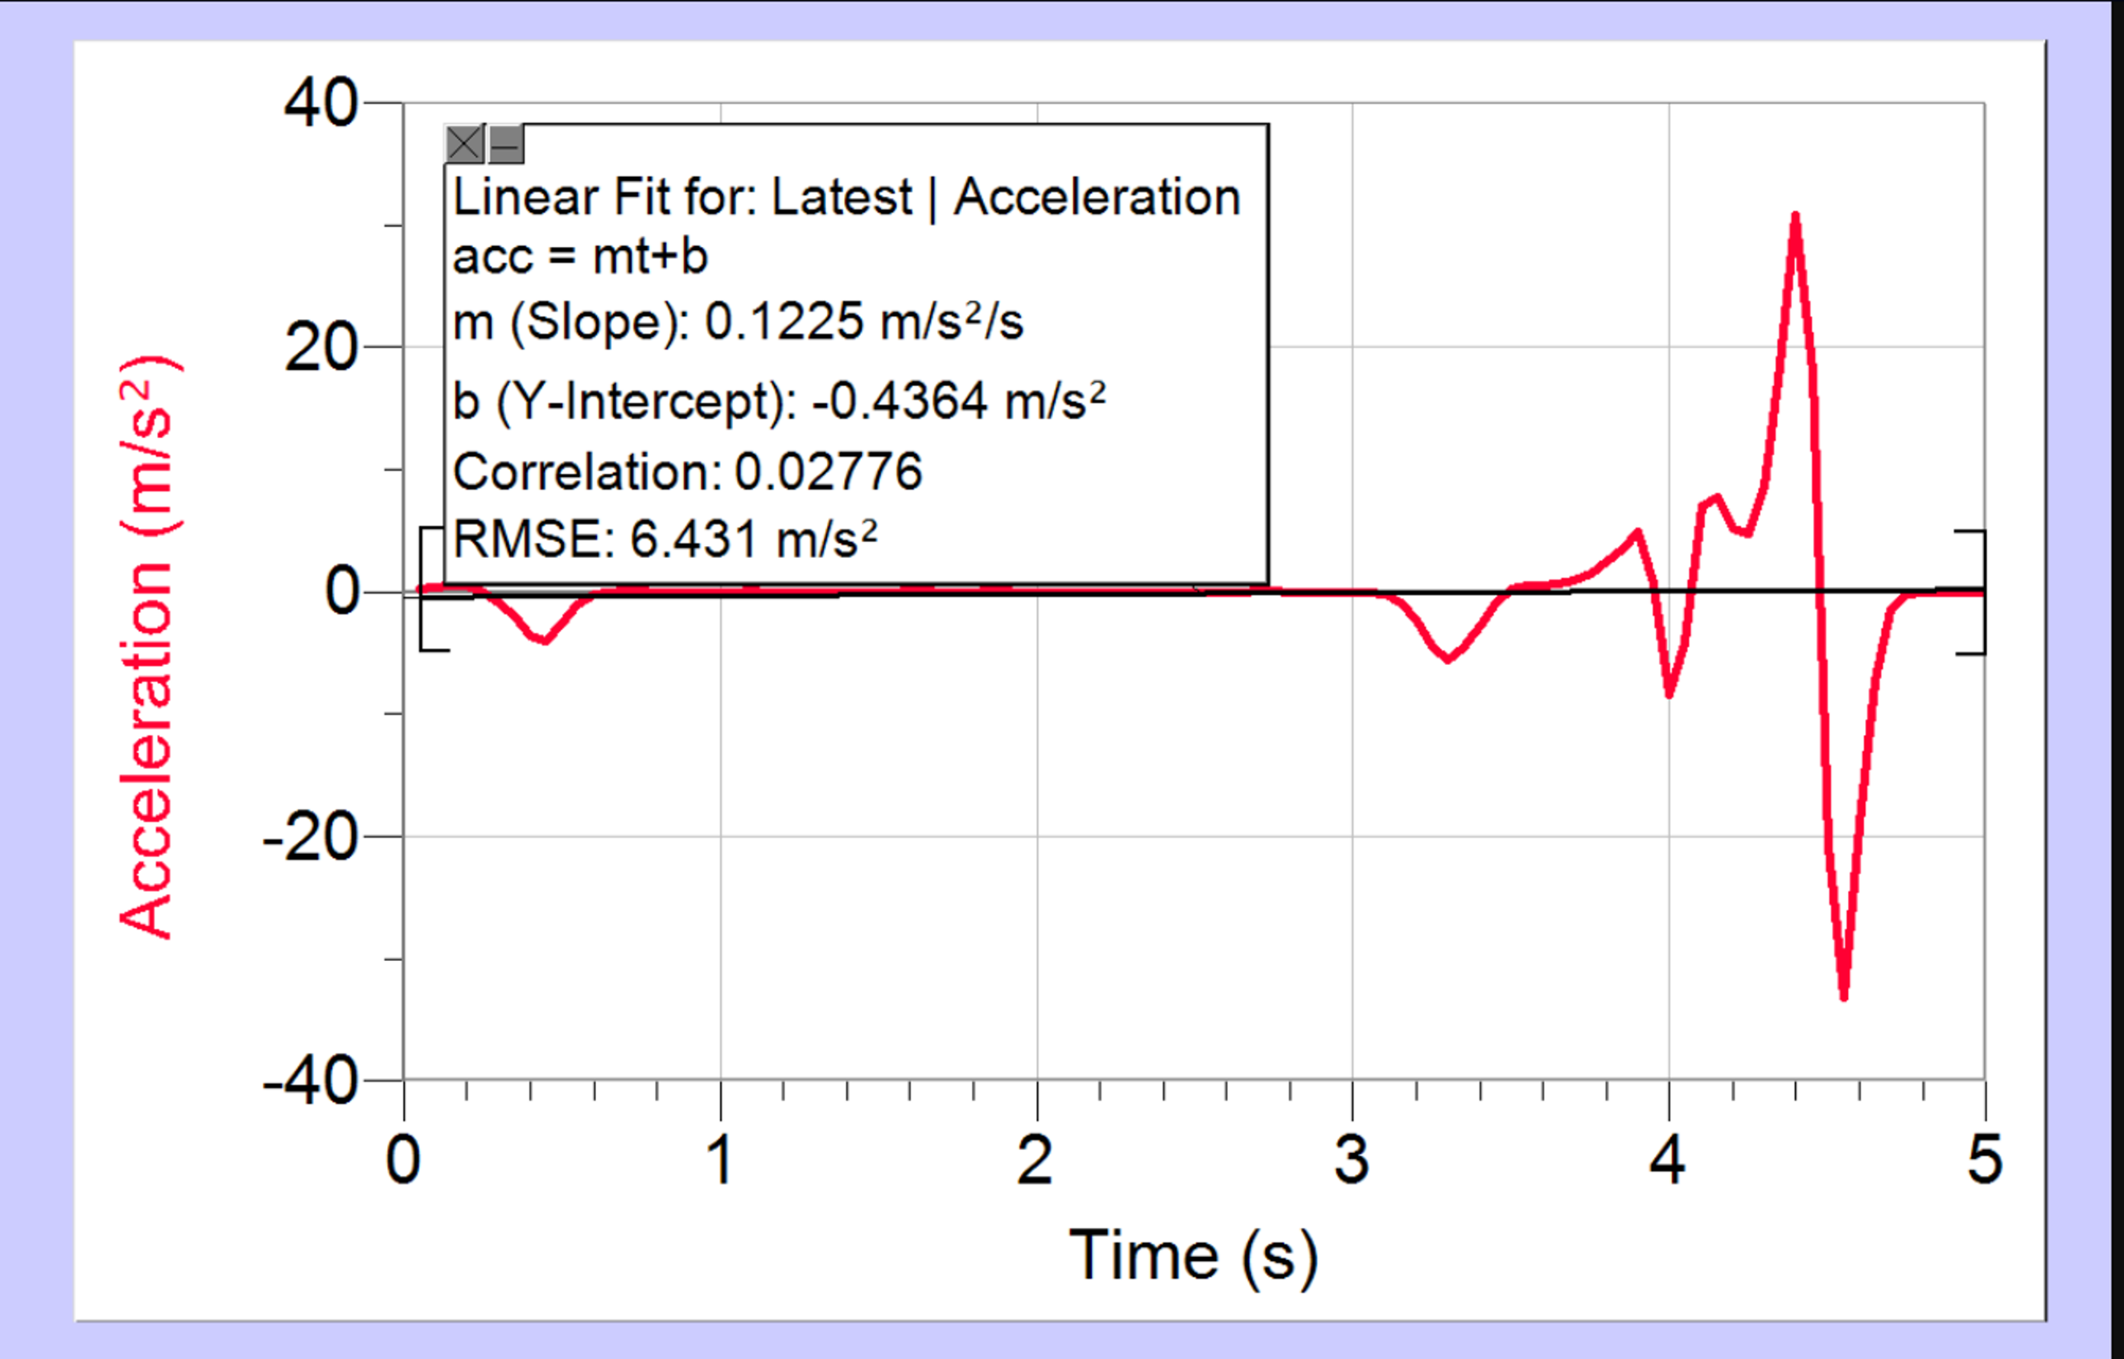
Time | Position | Velocity | Acceleration
t | x | v | acc
s | m | m/s | m/s²

0.05 | 0.7301784 | 0.63904711111 | 0.2427254321
0.1 | 0.7620088 | 0.64651688889 | 0.37213382716
0.15 | 0.7938392 | 0.66862133333 | 0.49407244444
0.2 | 0.8278648 | 0.70154933333 | 0.48341827161
0.25 | 0.8635368 | 0.74148977778 | -0.023374814815
0.3 | 0.9057944 | 0.71130577778 | -0.90162419753
0.35 | 0.934332 | 0.65901733333 | -2.0009180247
0.4 | 0.9738456 | 0.54544622222 | -3.5279879012
0.45 | 0.9990904 | 0.25625911111 | -3.9722787654
0.5 | 0.9949744 | 0.048324888889 | -2.535828642
0.55 | 0.9949744 | 0.0048782222222 | -0.98250444444
0.6 | 0.9949744 | -0.0022866666667 | -0.24391111111
0.65 | 0.9949744 | 0.00015244444444 | -0.01372
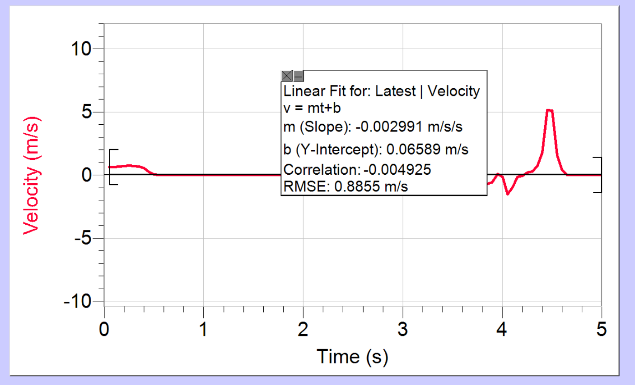
0.7 | 0.9949744 | 0.00076222222222 | 0.018970864197
0.75 | 0.9949744 | 0.0024391111111 | 0.016684197531
0.8 | 0.9952488 | 0.0035062222222 | -0.0077916049383
0.85 | 0.9955232 | 0.0010671111111 | -0.021088148148
0.9 | 0.9952488 | 0.00030488888889 | -0.015329135802
0.95 | 0.9955232 | -0.00015244444444 | -0.012195555556
1 | 0.9952488 | -0.00060977777778 | -0.011518024691
1.05 | 0.9955232 | -0.0018293333333 | -0.0027101234568
1.1 | 0.9949744 | -0.0015244444444 | 0.015921975309
1.15 | 0.9952488 | 0.00091466666667 | 0.015075061728
1.2 | 0.9952488 | 0.00045733333333 | 0.0044039506173
1.25 | 0.9952488 | 0.00060977777778 | 0.0037264197531
1.3 | 0.9952488 | 0.001372 | -0.0042345679012
1.35 | 0.9955232 | 0.00015244444444 | -0.010078271605
1.4 | 0.9952488 | -0.00076222222222 | -0.00042345679012
1.45 | 0.9952488 | 0.0010671111111 | -0.0064365432099
1.5 | 0.9955232 | 0.00015244444444 | -0.034045925926
1.55 | 0.9955232 | -0.0047257777778 | -0.02100345679
1.6 | 0.9947 | -0.0038111111111 | 0.022781975309
1.65 | 0.9949744 | 0.00015244444444 | 0.022697283951
1.7 | 0.9949744 | -0.00015244444444 | -0.0030488888889
1.75 | 0.9949744 | -0.00091466666667 | -0.017022962963
1.8 | 0.9949744 | -0.0033537777778 | -0.0037264197531
1.85 | 0.9944256 | -0.0019817777778 | 0.022866666667
1.9 | 0.9947 | 0.00076222222222 | 0.018462716049
1.95 | 0.9947 | 0.00030488888889 | 0.0054202469136
2 | 0.9947 | 0.00030488888889 | 0.0076222222222
2.05 | 0.9947 | 0.00076222222222 | 0.013889382716
2.1 | 0.9947 | 0.0022866666667 | 0.010332345679
2.15 | 0.9949744 | 0.0030488888889 | -0.013635308642
2.2 | 0.9952488 | -0.00030488888889 | -0.017785185185
2.25 | 0.9947 | 0.00015244444444 | -0.0022019753086
2.3 | 0.9952488 | 0.00091466666667 | -0.0078762962963
2.35 | 0.9949744 | -0.0010671111111 | -0.0065212345679
2.4 | 0.9949744 | -0.00030488888889 | 0.0023713580247
2.45 | 0.9949744 | -0.00015244444444 | -8.47E-05
2.5 | 0.9949744 | -0.00015244444444 | -0.0055896296296
2.55 | 0.9949744 | -0.00060977777778 | -0.012280246914
2.6 | 0.9949744 | -0.0019817777778 | -0.0070293827161
2.65 | 0.9947 | -0.0019817777778 | 0.010586419753
2.7 | 0.9947 | -0.00045733333333 | 0.02015654321
2.75 | 0.9947 | 0.00045733333333 | 0.019648395062
2.8 | 0.9947 | 0.0019817777778 | 0.0077069135803
2.85 | 0.9949744 | 0.0018293333333 | -0.01456691358
2.9 | 0.9949744 | 0 | -0.025576790124
2.95 | 0.9949744 | -0.0018293333333 | -0.015752592593
3 | 0.9947 | -0.0019817777778 | -0.0011856790123
3.05 | 0.9947 | -0.00076222222222 | -0.031505185185
3.1 | 0.9947 | -0.00076222222222 | -0.22654938272
3.15 | 0.9947 | -0.0076222222222 | -0.88722666667
3.2 | 0.9944256 | -0.050306666667 | -2.365514321
3.25 | 0.9944256 | -0.20290355556 | -4.4903358025
3.3 | 0.9842728 | -0.54666577778 | -5.5896296296
3.35 | 0.9378992 | -0.86344533333 | -4.6399007407
3.4 | 0.8912512 | -1.0486653333 | -2.7450162963
3.45 | 0.8289624 | -1.1290035556 | -0.92161135803
3.5 | 0.773808 | -1.105832 | 0.16286148148
3.55 | 0.7186536 | -1.0764102222 | 0.45513135802
3.6 | 0.666792 | -1.0521715556 | 0.49205679012
3.65 | 0.6135584 | -1.033116 | 0.61113283951
3.7 | 0.5630688 | -1.0000355556 | 0.95099925926
3.75 | 0.513128 | -0.95033866667 | 1.5355390123
3.8 | 0.4642848 | -0.85323155556 | 2.5356592593
3.85 | 0.4299848 | -0.70642755556 | 3.5395906173
3.9 | 0.3959592 | -0.58950266667 | 4.8903330864
3.95 | 0.3273592 | 0.104272 | 0.72216320988
4 | 0.463736 | -0.16616444444 | -8.3708938272
4.05 | 0.3773 | -1.5052364444 | -4.1417461728
4.1 | 0.2000376 | -0.96695511111 | 6.9893237037
4.15 | 0.2691864 | -0.15610311111 | 7.6740533333
4.2 | 0.2343376 | -0.056404444444 | 5.1923424691
4.25 | 0.2480576 | 0.21357466667 | 4.7521167901
4.3 | 0.2617776 | 0.29574222222 | 8.556791358
4.35 | 0.2807112 | 0.725788 | 18.470592346
4.4 | 0.3029376 | 1.7718617778 | 30.861022716
4.45 | 0.30184 | 5.1514026667 | 18.013682469
4.5 | 1.0089688 | 5.0921017778 | -20.753447901
4.55 | 1.005676 | 1.5438048889 | -33.106529383
4.6 | 1.0051272 | 0.38416 | -19.05708
4.65 | 1.0054016 | 0.0010671111111 | -7.307085679
4.7 | 1.005676 | 0.0025915555556 | -1.4948871605
4.75 | 1.005676 | 0.0018293333333 | -0.22917481481
4.8 | 1.0059504 | -0.00060977777778 | -0.0085114814815
4.85 | 1.0054016 | 0.00045733333333 | 0.0064788888889
4.9 | 1.0059504 | 0.0022866666667 | -0.015269851852
4.95 | 1.0059504 | -0.00099088888889 | -0.038958024691
5 | 1.005676 | -0.0033537777778 | -0.046664938272

DATASET 2

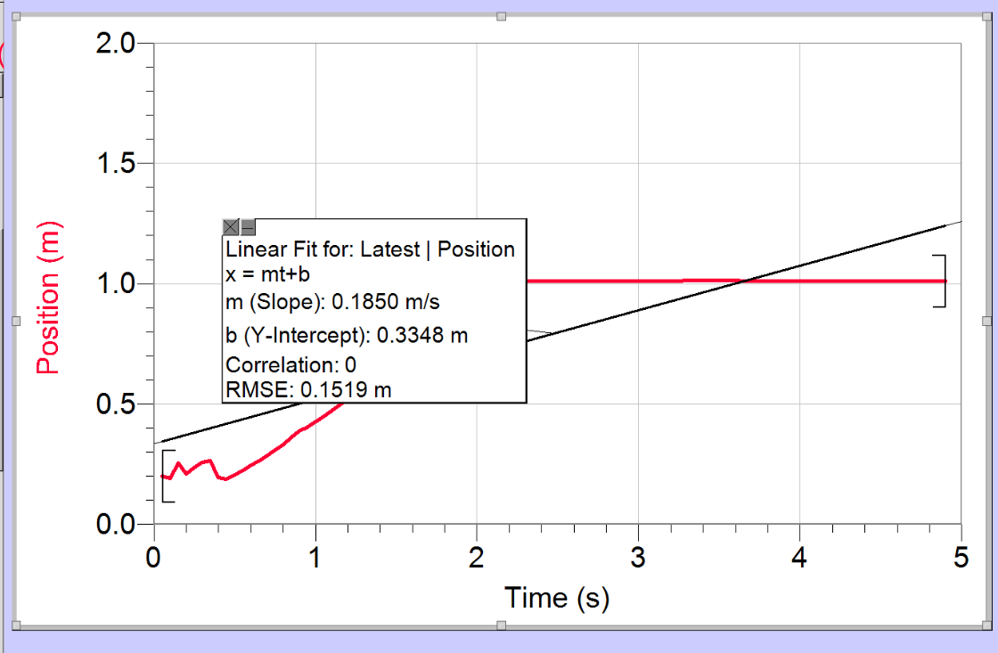
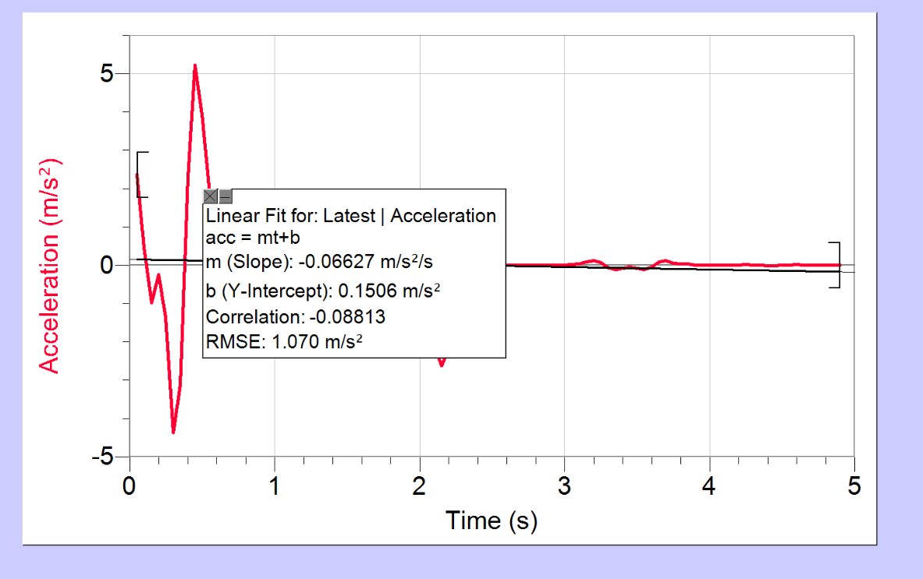
Time | Position | Velocity | Acceleration
t | x | v | acc
s | m | m/s | m/s²

0.05 | 0.2008608 | 0.099698666667 | 2.3535220247
0.1 | 0.1923544 | 0.31167266667 | 0.46949501235
0.15 | 0.2535456 | 0.18238453333 | -0.98725562963
0.2 | 0.2090928 | 0.062044888889 | -0.25442130864
0.25 | 0.2368072 | 0.26738755556 | -1.3668084197
0.3 | 0.2590336 | 0.071801333333 | -4.370192642
0.35 | 0.2631496 | -0.40367288889 | -3.1201990124
0.4 | 0.1953728 | -0.47821822222 | 2.2907318518
0.45 | 0.1868664 | -0.023628888889 | 5.2233395062
0.5 | 0.2052512 | 0.268912 | 3.9328125926
0.55 | 0.2239104 | 0.37897688889 | 1.9007281482
0.6 | 0.2453136 | 0.40169111111 | 0.72631308642
0.65 | 0.2639728 | 0.41220977778 | 0.47994592593
0.7 | 0.2856504 | 0.44056444444 | 0.54642864197
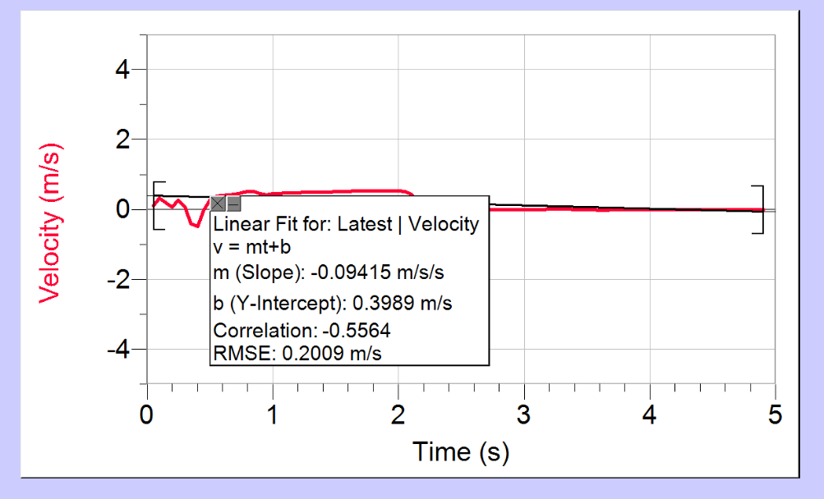
0.75 | 0.3081512 | 0.46968133333 | 0.55337333333
0.8 | 0.3314752 | 0.51084133333 | 0.25839333333
0.85 | 0.360836 | 0.51785377778 | -0.39093530864
0.9 | 0.3877272 | 0.44833911111 | -0.59961481482
0.95 | 0.4030936 | 0.42044177778 | -0.12779925926
1 | 0.426692 | 0.44711955556 | 0.20342864197
1.05 | 0.4491928 | 0.458248 | 0.23069925926
1.1 | 0.4725168 | 0.470596 | 0.18996271605
1.15 | 0.4963896 | 0.47699866667 | 0.13152567901
1.2 | 0.5202624 | 0.48263911111 | 0.099766419753
1.25 | 0.544684 | 0.48706 | 0.071056049383
1.3 | 0.5691056 | 0.48904177778 | 0.059114567901
1.35 | 0.5935272 | 0.49193822222 | 0.066313333333
1.4 | 0.6182232 | 0.49605422222 | 0.069616296296
1.45 | 0.6431936 | 0.49925555556 | 0.070039753086
1.5 | 0.668164 | 0.50230444444 | 0.08833308642
1.55 | 0.6934088 | 0.50672533333 | 0.12856148148
1.6 | 0.7186536 | 0.5145 | 0.16853580247
1.65 | 0.7444472 | 0.52837244444 | 0.11975358025
1.7 | 0.7721616 | 0.53035422222 | 0.003557037037
1.75 | 0.7979552 | 0.52364666667 | -0.026931851852
1.8 | 0.8240232 | 0.52440888889 | 0.0050814814815
1.85 | 0.8503656 | 0.52593333333 | 0.015837283951
1.9 | 0.876708 | 0.526848 | -0.0010162962963
1.95 | 0.9030504 | 0.52745777778 | -0.095701234568
2 | 0.9293928 | 0.525476 | -0.41752839506
2.05 | 0.9560096 | 0.504896 | -1.1365580247
2.1 | 0.982352 | 0.42760666667 | -2.1016160494
2.15 | 1.0026576 | 0.27516222222 | -2.62052
2.2 | 1.0100664 | 0.11875422222 | -2.1964703704
2.25 | 1.0108896 | 0.032318222222 | -1.2569044444
2.3 | 1.0106152 | 0.0059453333333 | -0.5023891358
2.35 | 1.0108896 | 0.0018293333333 | -0.14702419753
2.4 | 1.0108896 | 0.00045733333333 | -0.036247901235
2.45 | 1.0108896 | 0.00015244444444 | -0.0086385185185
2.5 | 1.0108896 | 0 | -0.0025407407407
2.55 | 1.0108896 | 0 | -0.00050814814815
2.6 | 1.0108896 | 0 | -8.47E-05
2.65 | 1.0108896 | 0 | 0
2.7 | 1.0108896 | 0 | 0
2.75 | 1.0108896 | 0 | -8.47E-05
2.8 | 1.0108896 | 0 | -0.00050814814815
2.85 | 1.0108896 | 0 | -0.0023713580247
2.9 | 1.0108896 | -0.00015244444444 | -0.0050814814815
2.95 | 1.0108896 | -0.00045733333333 | -0.0076222222222
3 | 1.0108896 | -0.0015244444445 | 0.0012703703704
3.05 | 1.0106152 | -0.00045733333333 | 0.015413827161
3.1 | 1.0108896 | 0 | 0.036078518518
3.15 | 1.0106152 | 0.0018293333333 | 0.07715382716
3.2 | 1.0108896 | 0.0070124444444 | 0.1156037037
3.25 | 1.0108896 | 0.018293333333 | 0.06174
3.3 | 1.0133592 | 0.017988444444 | -0.074528395062
3.35 | 1.0133592 | 0.005488 | -0.11873728395
3.4 | 1.0133592 | 0.001372 | -0.075290617284
3.45 | 1.0133592 | -0.00015244444444 | -0.056912592593
3.5 | 1.0133592 | -0.0018293333333 | -0.079609876543
3.55 | 1.0133592 | -0.0070124444444 | -0.11365580247
3.6 | 1.0130848 | -0.018140888889 | -0.057505432099
3.65 | 1.0108896 | -0.017531111111 | 0.078000740741
3.7 | 1.0106152 | -0.0042684444444 | 0.11018345679
3.75 | 1.011164 | -0.0016768888889 | 0.051915802469
3.8 | 1.0106152 | -0.0022866666667 | 0.033707160494
3.85 | 1.0106152 | 0.0010671111111 | 0.026084938272
3.9 | 1.0108896 | 0.0016768888889 | 0.0027101234568
3.95 | 1.0108896 | 0.00060977777778 | -0.0082150617284
4 | 1.0108896 | 0.00015244444444 | -0.006944691358
4.05 | 1.0108896 | 0 | -0.0049967901235
4.1 | 1.0108896 | -0.00015244444444 | -0.0051661728395
4.15 | 1.0108896 | -0.00045733333333 | -0.0054202469136
4.2 | 1.0108896 | -0.001372 | 0.0050814814815
4.25 | 1.0106152 | 0 | 0.015329135802
4.3 | 1.0108896 | 0.001372 | 0.0044886419753
4.35 | 1.0108896 | 0.00045733333333 | -0.0082150617284
4.4 | 1.0108896 | 0 | -0.01202617284
4.45 | 1.0108896 | -0.00060977777778 | -0.015075061728
4.5 | 1.0108896 | -0.0019817777778 | -0.0082150617284
4.55 | 1.0106152 | -0.0019817777778 | 0.0076222222222
4.6 | 1.0106152 | -0.00060977777778 | 0.012788395062
4.65 | 1.0106152 | -0.00015244444444 | 0.0074528395062
4.7 | 1.0106152 | 0 | 0.0028795061728
4.75 | 1.0106152 | 0 | 0.00059283950617
4.8 | 1.0106152 | 0 | 0.00010162962963
4.85 | 1.0106152 | 0 | 0
4.9 | 1.0106152 | 0 | 0
DATASET 3

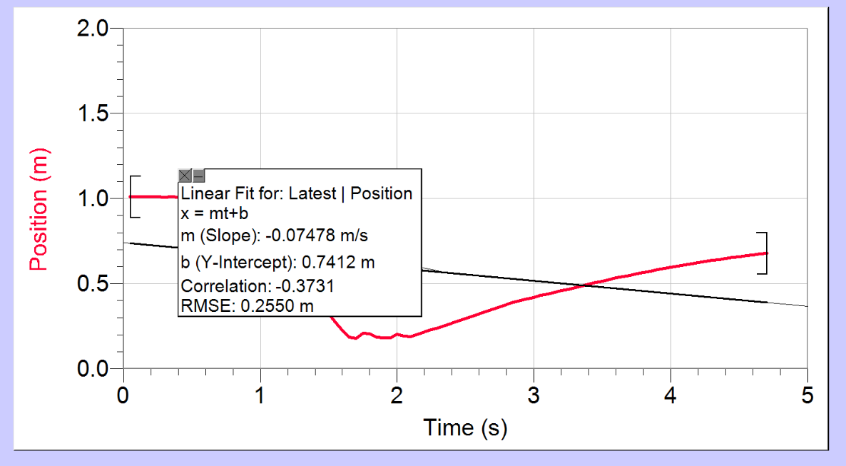
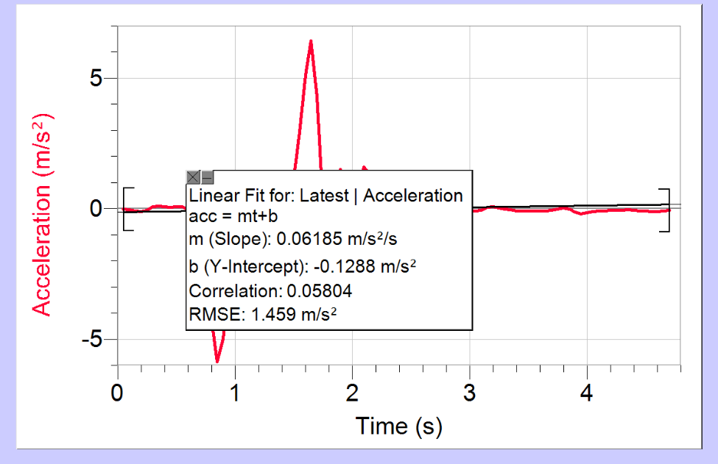
Time | Position | Velocity | Acceleration
t | x | v | acc
s | m | m/s | m/s²

0.05 | 1.0117128 | 0 | -0.018039259259
0.1 | 1.0117128 | -0.00022866666667 | -0.043827777778
0.15 | 1.0117128 | -0.0022866666667 | -0.079093259259
0.2 | 1.0117128 | -0.0073173333333 | -0.11657765432
0.25 | 1.0114384 | -0.019360444444 | -0.055769259259
0.3 | 1.0089688 | -0.017073777778 | 0.077323209877
0.35 | 1.0092432 | -0.0056404444444 | 0.10857432099
0.4 | 1.0089688 | -0.002744 | 0.072834567901
0.45 | 1.0089688 | -0.00030488888889 | 0.062248148148
0.5 | 1.0089688 | 0.0019817777778 | 0.06987037037
0.55 | 1.0089688 | 0.0065551111111 | 0.070632592593
0.6 | 1.0092432 | 0.015854222222 | -0.049036296296
0.65 | 1.0119872 | 0.0025915555556 | -0.24924666667
0.7 | 1.0092432 | -0.0091466666667 | -0.64627975309
0.75 | 1.0095176 | -0.019512888889 | -1.9585723457
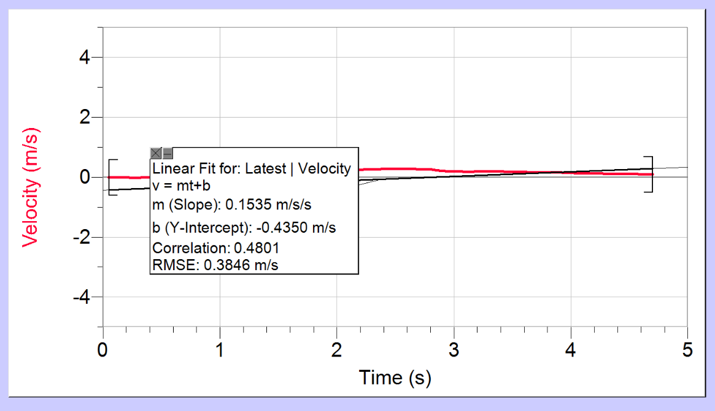
0.8 | 1.0119872 | -0.14345022222 | -4.2880081482
0.85 | 1.0064992 | -0.47989511111 | -5.8502249383
0.9 | 0.965888 | -0.853384 | -4.9739234568
0.95 | 0.911008 | -1.0396711111 | -2.7390879012
1 | 0.8558536 | -1.0896728889 | -1.0297622222
1.05 | 0.801248 | -1.0959231111 | -0.25246493827
1.1 | 0.7466424 | -1.0991244444 | 0.04844345679
1.15 | 0.6906648 | -1.0899777778 | 0.22265358025
1.2 | 0.6371568 | -1.0718368889 | 0.28600271605
1.25 | 0.5839232 | -1.0594888889 | 0.31403555556
1.3 | 0.5312384 | -1.0437871111 | 0.35460271605
1.35 | 0.478828 | -1.0215302222 | 0.31428962963
1.4 | 0.4283384 | -0.99165111111 | -0.016176049383
1.45 | 0.38416 | -1.0338782222 | -0.043700740741
1.5 | 0.323792 | -1.0521715556 | 1.0844728395
1.55 | 0.2733024 | -0.95232044444 | 2.9249854321
1.6 | 0.227752 | -0.78539377778 | 5.1091755556
1.65 | 0.1843968 | -0.42227111111 | 6.4288362963
1.7 | 0.1778112 | 0.037501333333 | 4.2938518519
1.75 | 0.208544 | 0.12317511111 | 0.12822271605
1.8 | 0.2074464 | -0.11280888889 | -1.1651837037
1.85 | 0.1843968 | -0.15015777778 | 0.45936592593
1.9 | 0.1827504 | -0.018140888889 | 1.4946330864
1.95 | 0.183848 | 0.10732088889 | 0.72673654321
2 | 0.2038792 | 0.059910666667 | -0.23129209877
2.05 | 0.1915312 | -0.021952 | 0.57547777778
2.1 | 0.1890616 | 0.10823555556 | 1.6032920988
2.15 | 0.2041536 | 0.21784311111 | 1.2978103704
2.2 | 0.2156784 | 0.25122844444 | 0.6295108642
2.25 | 0.2296728 | 0.26113733333 | 0.21452320988
2.3 | 0.2420208 | 0.25976533333 | 0.090365679012
2.35 | 0.255192 | 0.26693022222 | 0.080541481482
2.4 | 0.268912 | 0.270284 | 0.046072098765
2.45 | 0.2823576 | 0.27119866667 | 0.021765679012
2.5 | 0.2960776 | 0.27135111111 | 0.015244444444
2.55 | 0.3095232 | 0.27089377778 | 0.03557037037
2.6 | 0.3226944 | 0.27744888889 | 0.01329654321
2.65 | 0.3377864 | 0.27561955556 | -0.06817654321
2.7 | 0.3506832 | 0.266168 | -0.089349382716
2.75 | 0.36358 | 0.26814977778 | -0.14151925926
2.8 | 0.3781232 | 0.25839333333 | -0.29455654321
2.85 | 0.3901968 | 0.23445955556 | -0.36739111111
2.9 | 0.4011728 | 0.21616622222 | -0.32741679012
2.95 | 0.4118744 | 0.19863511111 | -0.21884246914
3 | 0.4203808 | 0.193452 | -0.095108395062
3.05 | 0.430808 | 0.19604355556 | -0.086215802469
3.1 | 0.4409608 | 0.18415288889 | -0.069955061728
3.15 | 0.448644 | 0.18262844444 | 0.043192592593
3.2 | 0.4585224 | 0.19268977778 | 0.082912839506
3.25 | 0.4684008 | 0.19573866667 | 0.035400987654
3.3 | 0.4782792 | 0.19528133333 | -0.011179259259
3.35 | 0.4878832 | 0.19390933333 | -0.04759654321
3.4 | 0.4977616 | 0.190708 | -0.080541481482
3.45 | 0.5070912 | 0.18491511111 | -0.094430864198
3.5 | 0.5161464 | 0.18064666667 | -0.09476962963
3.55 | 0.5252016 | 0.175616 | -0.09519308642
3.6 | 0.533708 | 0.17073777778 | -0.087316790123
3.65 | 0.5422144 | 0.16692666667 | -0.077577283951
3.7 | 0.5504464 | 0.16250577778 | -0.05360962963
3.75 | 0.558404 | 0.16037155556 | -0.0098241975309
3.8 | 0.5663616 | 0.16082888889 | 0.03260617284
3.85 | 0.5740448 | 0.16784133333 | -0.0072834567901
3.9 | 0.5836488 | 0.16540222222 | -0.13847037037
3.95 | 0.591332 | 0.14970044444 | -0.19487481481
4 | 0.598192 | 0.14024888889 | -0.14693950617
4.05 | 0.605052 | 0.13613288889 | -0.1045091358
4.1 | 0.611912 | 0.13155955556 | -0.089518765432
4.15 | 0.6182232 | 0.12698622222 | -0.077577283951
4.2 | 0.6245344 | 0.12363244444 | -0.064958271605
4.25 | 0.6305712 | 0.120736 | -0.056065679012
4.3 | 0.636608 | 0.11814444444 | -0.050899506173
4.35 | 0.6423704 | 0.11570533333 | -0.04929037037
4.4 | 0.6481328 | 0.113876 | -0.059029876543
4.45 | 0.6538952 | 0.10991244444 | -0.072597432099
4.5 | 0.6591088 | 0.10579644444 | -0.075002666667
4.55 | 0.6643224 | 0.10366222222 | -0.095684296296
4.6 | 0.6698104 | 0.0963144 | -0.11484148148
4.65 | 0.6739264 | 0.089637333333 | -0.092753975309
4.7 | 0.6783168 | 0.087808 | -0.064263802469

